Analysis
5. Report Making II: Pivot Charts & Tables

Create Pivot Tables for:
a) Sales by Region and Segment |  |  |  |  |  | b) Category vs. Profit |  | c) Monthly Trend of Orders

Sum of Sales | Column Labels |  |  |  |  | Row Labels | Sum of Profit | Row Labels | Count of Order ID
Row Labels | Consumer | Corporate | Home Office | Grand Total |  | Furniture | 18451.2728 | 11/10/2016 | 35
Central | 252031.434 | 157995.8128 | 91212.644 | 501239.8908 |  | Office Supplies | 122490.8008 | 11/12/2017 | 30
East | 350908.167 | 200409.347 | 127463.726 | 678781.24 |  | Technology | 145454.9481 | 12/1/2017 | 34
South | 195580.971 | 121885.9325 | 74255.0015 | 391721.905 |  | Grand Total | 286397.0217 | 12/11/2016 | 28
West | 362880.773 | 225855.2745 | 136721.777 | 725457.8245 |  |  |  | 12/2/2017 | 34
Grand Total | 1161401.345 | 706146.3668 | 429653.1485 | 2297200.8603 |  |  |  | 12/8/2017 | 30
 |  |  |  |  |  |  |  | 12/9/2017 | 33
 |  |  |  |  |  |  |  | 9/2/2017 | 36
 |  |  |  |  |  |  |  | 9/4/2017 | 28
 |  |  |  |  |  |  |  | 9/5/2016 | 38
 |  |  |  |  |  |  |  | 9/9/2017 | 29
 |  |  |  |  |  |  |  | Grand Total | 355

Add Pivot Charts:
a) Bar chart for Region |  |  |  |  | b) Line chart for Monthly Sales |  |  |  | c) Pie for Category share
Line Chart for Monthly Trends of Orders
Pie for Category vs.Profit
Bar Chart for Sales by Region and Segment

Use Slicers for dynamic filtering (Region, Segment, Category)

6. Lookup Functions & Referencing

VLOOKUP – Questions…

product ID | category |  | product ID | price
FUR-TA-10000577 | Furniture |  | FUR-TA-10000577 | 957.5775

XLOOKUP – Questions…

a. Use XLOOKUP to find the Product Name for any ID.
b. Use XLOOKUP to return "Not Available" if any Product ID is not found.

product ID | product name |  |  |  | product ID | product name
FUR-TA-10000577 | Bretford CR4500 Series Slim Rectangular Table |  |  |  | FUR-TA-10000578 | NOT AVAILABLE

HLOOKUP – Questions…

ID | P001 | P002 | P003
Name | Pen | Pencil | Eraser
Price | 10 | 5 | 7

Example 1: Price of the product with Item Code "P002"
5
Example 2: Get Product Name of P003
Eraser

Absolute and Relative Cell Referencing-Questions…

Relative Cell Referencing-Questions…
(Price) | B78 (Quantity) | C78 (Total)
100 | 3 | 300
200 | 4 | 800

Absolute Cell Referencing-Questions…
(Price) | (Discount Rate) | (Discount)
100 | 10% | 10 | 0.1

Mixed Cell Referencing-Questions…
(Base) | (Tax Rate) | (Tax)
200 | 5% | 10

INDEX-MATCH

Find the Profit earned from the product:
“Hon Deluxe Fabric Upholstered Stacking Chairs, Rounded Back”

219.582

Find the Region of the customer: “Darrin Van Huff”

219.582

7. Advanced Data Analysis Formulas

Sales > X Amount (Using COUNTIF, SUMIF, AVERAGEIF) |  |  |  |  |  | High Discounted Orders

a). Count Orders with Sales > 500 |  |  |  |  |  | a). Count of Orders with Discount > 20%

1162 |  |  |  |  |  | 1393

b). Total Sales of Orders > 500 |  |  |  |  |  | b). Total Sales from High Discount Orders

1474984.1329 |  |  |  |  |  | 362770.1498

c). Average Sales of Orders > 500 |  |  |  |  |  | c).Average Sales of High Discount Orders
1269.349512 |  |  |  |  |  | 260.42365384

Rank,Large<Small

Rank
18

Large
22638.48
17499.95

Small
0.444
0.556

Using VLOOKUP with IFERROR

Not Found

Column Chart (Quantity per Category)
Row Labels | Count of Quantity
Furniture | 2121
Office Supplies | 6026
Technology | 1847
Grand Total | 9994

Dashboard
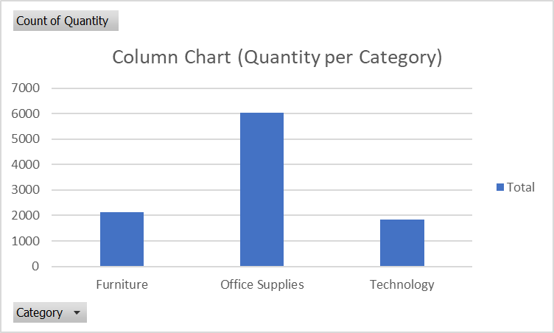
 |  | DASHBOARD
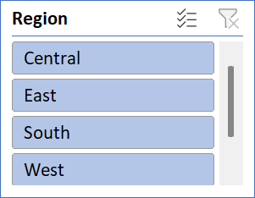
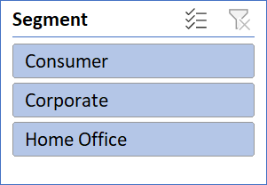
TOTAL SALES | TOTAL PROFIT |  | TOTAL ORDERS

2297200.8603 | 286397.0217 |  | 9994.00

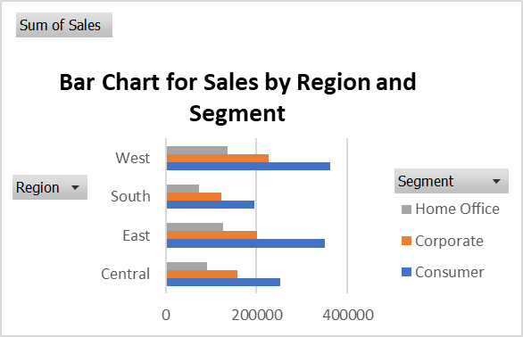
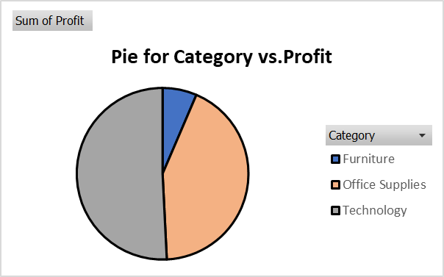

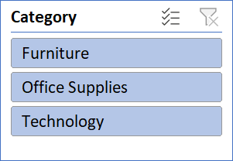
 |  |  |  | Select Category: | Category | Furniture

 |  |  |  |  | Total Sales: | 741999.7953

 |  |  |  |  | Total Quantity: | 8028

 |  |  |  |  | Total Profit: | 18451.2728

